Dala Sales & Deliveries
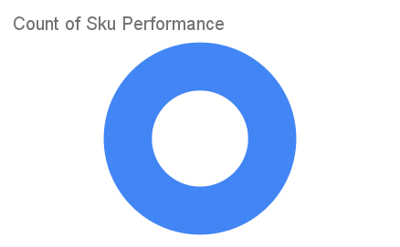
Total Invoices Delivered | 10.00 | Sku Performance | Units | Value
Unique Locations Supplied | 10.00 | 150g Primechem Kesteen Black Soap (48x) | 5.13 | 160,056.00
Total Value of orders | 160,056.00 |  | 0.00 | 0.00
 |  |  | 0.00 | 0.00
 |  |  | 0.00 | 0.00
 |  |  | 0.00 | 0.00
 |  |  | 0.00 | 0.00
 |  |  | 0.00 | 0.00
 |  |  | 0.00 | 0.00
 |  |  | 0.00 | 0.00
 |  |  | 0.00 | 0.00
 |  |  | 0.00 | 0.00
 |  |  | 0.00 | 0.00

